Foglio1
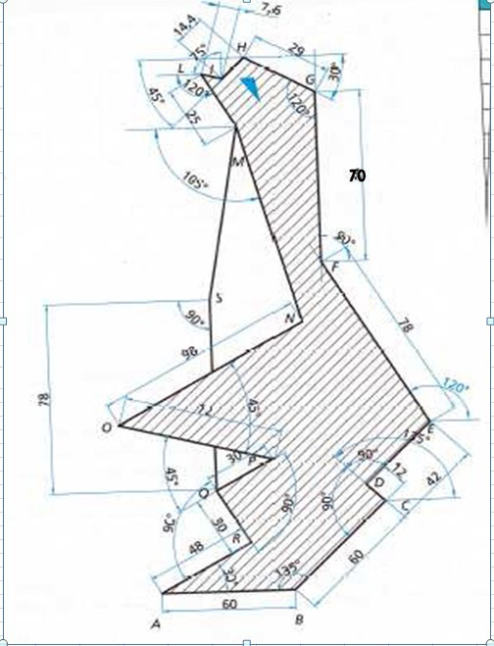
Esercitazione autocad 3: "pinguino"
Punto | Coordinate relative | Coordinate polari
A | 0,0 | 0,0 | A
B | @60,0 | @60<0 | AB
C | @42.43,42.43 | @60<45 | BC
D | @-8.49,8.49 | @12<135 | CD
E | @29.7,29.7 | @42<45 | DE
F | @-39,67.55 | @78<120 | EF
G | @0,70 | @70<90 | FG
H | @-25.11,14.5 | @29<150 | GH
I | @-10.18,,-10.18 | @14.4<225 | HI
L | @-7.24,1.94 | @7.6<165 | IL
M | @12.5,-21.65 | @25<300 | LM
R | @41.57,24 | 48<30 | AR
Q | @-15,25.98 | @30<120 | RQ
P | @25.98,15 | @30<90 | QP
O | @-69.55,18.63 | @72<165 | PO
N | @84.87,49 | @98<30 | ON
S | @0.78 | @78<90 | QS

